Two-Way ANOVA
Two-Way ANOVA
 | Group 1 | Group 2 | Group 3 | Anova: Two-Factor With Replication |  |  |  |  |  | For each combination of levels for the predictor variables, there is only one observation.
Group A | 10 | 10 | 9
 | 7 | 2 | 6 | SUMMARY | Group 1 | Group 2 | Group 3 | Total
 | 10 | 10 | 9 | Group A
Group B | 1 | 4 | 4 | Count | 3 | 3 | 3 | 9
 | 1 | 2 | 1 | Sum | 27 | 22 | 24 | 73
 | 9 | 4 | 9 | Average | 9 | 7.3333333333 | 8 | 8.1111111111
Group C | 1 | 5 | 10 | Variance | 3 | 21.333333333 | 3 | 7.3611111111
 | 4 | 7 | 10 |  |  |  |  |  |  | For each combination of levels for the predictor variables, there are multiple observations.
 | 4 | 5 | 10 | Group B
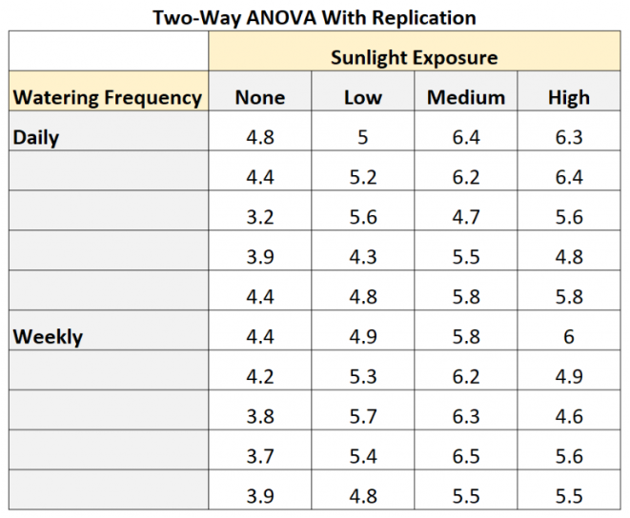
 |  |  |  | Count | 3 | 3 | 3 | 9
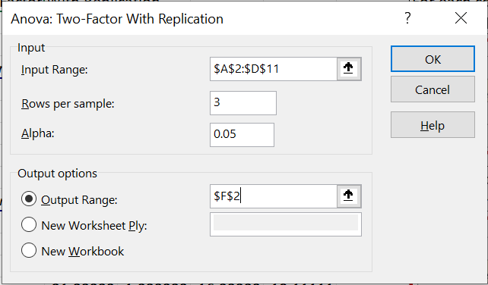
 |  |  |  | Sum | 11 | 10 | 14 | 35
 |  |  |  | Average | 3.6666666667 | 3.3333333333 | 4.6666666667 | 3.8888888889
 |  |  |  | Variance | 21.333333333 | 1.3333333333 | 16.333333333 | 10.111111111

 |  |  |  | Group C
 |  |  |  | Count | 3 | 3 | 3 | 9
 |  |  |  | Sum | 9 | 17 | 30 | 56
 |  |  |  | Average | 3 | 5.6666666667 | 10 | 6.2222222222
 |  |  |  | Variance | 3 | 1.3333333333 | 0 | 10.444444444

 |  |  |  | Total
 |  |  |  | Count | 9 | 9 | 9
 |  |  |  | Sum | 47 | 49 | 68
 |  |  |  | Average | 5.2222222222 | 5.4444444444 | 7.5555555556 |  |  | Using this approach, the botanist would only measure the growth of one plant for each combination of levels for sunlight and watering frequency.
 |  |  |  | Variance | 14.944444444 | 9.0277777778 | 10.277777778

 |  |  |  | ANOVA
 |  |  |  | Source of Variation | SS | df | MS | F | P-value | F crit
 |  |  |  | Sample | 80.518518519 | 2 | 40.259259259 | 5.1273584906 | 0.017283587506 | 3.5545571457
 |  |  |  | Columns | 29.851851852 | 2 | 14.925925926 | 1.9009433962 | 0.17824026698 | 3.5545571457
 |  |  |  | Interaction | 52.148148148 | 4 | 13.037037037 | 1.6603773585 | 0.20286147678 | 2.9277441728
 |  |  |  | Within | 141.33333333 | 18 | 7.8518518519

 |  |  |  | Total | 303.85185185 | 26

Multi-Factor ANOVA
Multi-Factor ANOVA |  |  |  |  | 2 |  |  | Since there are only 8 trials, there is 1 degree of freedom for estimating the overall mean, 6 degrees of freedom for estimating the effect of the 6 factors, and 1 degree of freedom for experimental error. There are no degrees of freedom available for estimating the effect of any interactions. The brightness sum for all 8 trials is 33.6. The total sum-of-squares is:

Trial | Temperature | Speed | Angle | Pressure | Water | Kerosene | Brightness |  | Brightness^2
1 | 400 | 1000 | 0 | 1.5 | 0% | 2% | 4.2 |  | 17.64
2 | 400 | 1500 | 0 | 1.5 | 1% | 5% | 5.1 |  | 26.01
3 | 400 | 1000 | 15 | 2.5 | 0% | 5% | 3.7 |  | 13.69
4 | 400 | 1500 | 15 | 2.5 | 1% | 2% | 5.6 |  | 31.36
5 | 600 | 1000 | 15 | 1.5 | 1% | 2% | 2.9 |  | 8.41
6 | 600 | 1500 | 15 | 1.5 | 0% | 5% | 3.8 |  | 14.44 |  | TSS = | 5.48
7 | 600 | 1000 | 0 | 2.5 | 1% | 5% | 4.7 |  | 22.09 |  |  | Distinct Values | AVG(Brightness) | CNT(Brightness) |  | Ctrl-G + Select-Number + Copy-Paste |  | 3.23
8 | 600 | 1500 | 0 | 2.5 | 0% | 2% | 3.6 |  | 12.96 |  | Temperature | 400 | 4.65 | 4 | 1.62 | 1.62 | 2.6244 | 4.355
8 |  |  |  |  |  |  | 33.6 | Total | 146.6 |  |  | 600 | 3.75 | 4 |  | 0.845 | 0.714025 | 0.469475
 |  |  |  |  |  |  | 4.2 | Average |  |  | Speed | 1000 | 3.875 | 4 | 0.845 | 0.32 | 0.1024
Source of Variation | Sum of Squares | Degrees of Freedom | Mean Square | F Statistic |  | Source of Variation | Sum of Squares | Degrees of Freedom | Mean Square | F Statistic |  | 1500 | 4.525 | 4 |  | 0.32 | 0.1024
 |  |  |  |  |  |  |  |  |  |  | Angle | 0 | 4.4 | 4 | 0.32 | 1.125 | 1.265625
Temperature | 1.62 | 1 | 1.62 | 1.44 |  | Temperature | 1.62 | 1 | 1.62 | 1.44 |  | 15 | 4 | 4 |  | 0.125 | 0.015625
Speed | 0.845 | 1 | 0.845 | 0.75 |  | Speed | 0.845 | 1 | 0.845 | 0.75 | Pressure | 1.5 | 4 | 4 | 0.32 | Total | 4.824475
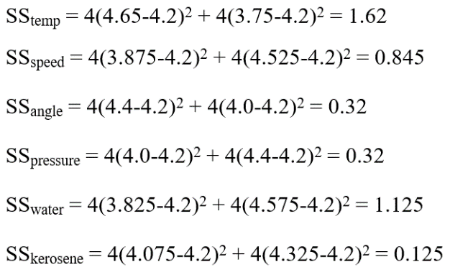
Angle | 0.32 | 1 | 0.32 | 0.28 |  | Angle | 0.32 | 1 | 0.32 | 0.28 |  | 2.5 | 4.4 | 4
Pressure | 0.32 | 1 | 0.32 | 0.28 |  | Pressure | 0.32 | 1 | 0.32 | 0.28 | Water | 0% | 3.825 | 4 | 1.125
Water | 1.125 | 1 | 1.125 | 1 |  | Water | 1.125 | 1 | 1.125 | 1.00 |  | 1% | 4.575 | 4
Kerosene | 0.125 | 1 | 0.125 | 0.11 |  | Kerosene | 0.125 | 1 | 0.125 | 0.11 | Kerosene | 2% | 4.075 | 4 | 0.125
Error | 1.125 | 1 | 1.125 |  |  | Error | 1.125 | 1 | 1.125 |  |  | 5% | 4.325 | 4
Total | 5.48 | 7 |  |  |  | TSS | 5.48 | 7

 |  |  |  |  |  | http://www.socr.ucla.edu/Applets.dir/F_Table.html |  |  |  | (F Table for α = 0.05, df1 = 1 and df2 = 1)
 | The sum-of-squares error is the difference between the total sum-of-squares and the sum-of-squares for the factors and is 1.125. The degrees-of-freedom for the sum-of-squares for each factor is equal to the number of levels for that factor minus 1. The degrees-of-freedom for the total is equal to the number of experimental trials minus 1. The mean square for each factor is equal to the sum-of-squares divided by the degrees-of-freedom. The F-statistic for each factor is equal to the mean square for that factor divided by the mean square error. The critical value of the F-statistic for each of the factors at 5% significance using 1 and 1 degrees of freedom is 161.4. Since none of the computed values from the F-distribution exceed the critical value, none of the factors are considered significant.

